Shift Report
 | FSFE COMPLIANCE REPORT
% Compliance for the shift = # of within range values over total# of values
 | Production Day:
 | Shift:

 | Compliance Index |  | 80% | ** # of greens / total # of dots (ex. 61/61=100%)
 | Target: |  | >80%

 | 1. KEY PERFORMANCE INDICATORS |  |  |  | ** Values will have indicators if it achieves target
 |  |  |  |  | Average Values |  |  |  | % Compliance |  |  |  | REFERENCE VALUES |  | REMARKS / ACTIONS DONE
 |  |  |  |  | 1st 2 hours | 2nd 2 hours | 3rd 2 hours | 4th 2 hours | 1st 2 hours | 2nd 2 hours | 3rd 2 hours | 4th 2 hours | Average | % Compliance
 | A. | Granulated Slag Assay - Cu |  | % | 0.8 | 0.8 | 0.8 | 0.8 | 60% | 60% | 60% | 60% | ≥0.7 | >80% |  | ** To be called from SQL
 |  | Melt Slag Assay - Cu |  | % | 0.8 | 0.8 | 0.8 | 0.8 | 60% | 60% | 60% | 60% | ≥0.7 | >80%
 | B. | Matte Grade - Cu |  | % | 0.8 | 0.8 | 0.8 | 0.8 | 60% | 60% | 60% | 60% | 53%-55% | >80%
 | C. | Slag Assay - Fe/SiO2 |  |  | 0.8 | 0.8 | 0.8 | 0.8 | 60% | 60% | 60% | 60% | 0.98-1.02 | >80%
 | D. | Matte + Scum Level |  | cm | 0.8 | 0.8 | 0.8 | 0.8 | 60% | 60% | 60% | 60% | ≥80 | >80%
 | E. | Slag Level |  | cm | 0.8 | 0.8 | 0.8 | 0.8 | 60% | 60% | 60% | 60% | >40 | >80%
 | F. | Slag Temperature |  | °C | 0.8 | 0.8 | 0.8 | 0.8 | 60% | 60% | 60% | 60% | 1250-1290 | >80%

 |  | TRENDS

Cu Loss Trend
Cu Loss Trend
Bath Level Trend
Bath Level Trend

Matte Grade Trend
Matte Grade Trend
Slag Temperature Trend
Slag Temperature Trend

Slag - Fe/SiO2 Trend
Slag - Fe/SiO2 Trend

Those with Reference Values that will vary each month will come from the Forecast file
 | 2. OUTPUT KPI
 |  |  |  |  | Actual |  |  |  | Reading at 6:00 AM | REFERENCE VALUES
CSBH or FSFE? |  | Total Conc charge |  | tons | 0.8 |  |  |  |  | Will vary every month
 |  | Matte Produced |  | tons | 0.8 |  |  |  | 0.8 | Will vary every month
 |  | Number of Ladles |  | ladles | 0.8
 |  | Slag Produced |  | tons | 0.8 |  |  |  |  | Will vary every month

Parameters in red font will have 4 actual values (average every 2 hours)
Total Conc Charge, Matte Produced, Slag Produced is total for the shift
Coal Setting and Silica Setting, get last value of shift only for the Actual Value
 | Heat Balance
 |  | Rxn shaft heatloss |  | Gcal | 0.8 | 0.8 | 0.8 | 0.8 | 0.8 | 0.8-1.2
 |  | RS1 heatload |  | °C | 0.8 | 0.8 | 0.8 | 0.8 |  | 600-700
 |  | RS2 heatload |  | °C | 0.8 | 0.8 | 0.8 | 0.8 |  | 600-700
 |  | RS3 heatload |  | °C | 0.8 | 0.8 | 0.8 | 0.8 |  | 600-700
 |  | RS4 heatload |  | °C | 0.8 | 0.8 | 0.8 | 0.8 |  | 600-700
 |  | Uptake Delta Temp |  | °C | 0.8 | 0.8 | 0.8 | 0.8 | 0.8 | 8.0-12.0
 |  | WHB Outlet Temp |  | °C | 0.8 | 0.8 | 0.8 | 0.8
 |  | EP Inlet Temp |  | °C | 0.8 | 0.8 | 0.8 | 0.8
 |  | EP Outlet Temp |  | °C | 0.8 | 0.8 | 0.8 | 0.8

 |  | Oil Firing |  | li/h | 0.8 | 0.8 | 0.8 | 0.8 | 0.8 | 200-400
 |  | Electrode Power |  | KW | 0.8 | 0.8 | 0.8 | 0.8 | 0.8 | 500-800
 |  | Coal Setting |  | kg/ton conc | 0.8 |  |  |  | 0.8 | 18-22
 |  | Silica Setting |  | ton/ ton conc | 0.8 |  |  |  | 0.8 | 6.0-16

 | Burner Performance
 |  | Atomizing air flow |  |  | 0.8 | 0.8 | 0.8 | 0.8 |  | 1.0KNm3/hr
 |  | Atomizing air inlet pressure |  |  | 0.8 | 0.8 | 0.8 | 0.8 |  | 0.9-1.0 kg/cm2
 |  | Atomizing air outlet pressure |  |  | 0.8 | 0.8 | 0.8 | 0.8 |  | 5.0-6.0 kg/cm2
 |  | Air Velocity |  |  | 0.8 | 0.8 | 0.8 | 0.8 |  | >70 m/s

 | Draft Performance
 |  | Furnace Draft |  | mm H2O | 0.8 | 0.8 | 0.8 | 0.8 | 0.8 | (4) - (10)
 |  | Boiler Draft |  | mm H2O | 0.8 | 0.8 | 0.8 | 0.8 |  | (10) - (15)
 |  | Goose Neck Draft |  | mm H2O | 0.8 | 0.8 | 0.8 | 0.8 |  | (15) - (30)
 |  | EP Draft |  | mm H2O | 0.8 | 0.8 | 0.8 | 0.8 |  | (30) - (50)

 | EP Performance
 |  | Flakt EP
 |  | 1st chamber |  | kV | 0.8 |  |  |  | 0.8 | 40-50
 |  | 1st chamber |  | mA | 0.8 |  |  |  | 0.8 | 100-300
 |  | 2nd chamber |  | kV | 0.8 |  |  |  | 0.8 | 40-50
 |  | 2nd chamber |  | mA | 0.8 |  |  |  | 0.8 | 100-300
 |  | 3rd chamber |  | kV | 0.8 |  |  |  | 0.8 | 40-50
 |  | 3rd chamber |  | mA | 0.8 |  |  |  | 0.8 | 100-300

 |  | Nerin EP
 |  | 1st chamber |  | kV | 0.8 |  |  |  | 0.8 | 40-50
 |  | 1st chamber |  | mA | 0.8 |  |  |  | 0.8 | 100-300
 |  | 2nd chamber |  | kV | 0.8 |  |  |  | 0.8 | 40-50
 |  | 2nd chamber |  | mA | 0.8 |  |  |  | 0.8 | 100-300
 |  | 3rd chamber |  | kV | 0.8 |  |  |  | 0.8 | 40-50
 |  | 3rd chamber |  | mA | 0.8 |  |  |  | 0.8 | 100-300

 | 3. BREAKDOWN OF FSFE CHARGE
FSFE Feed Charge vs Time
FSFE Feed Charge vs Time

 |  | Time | Slow Down / Stop Charge? |  | Reason
 |  |  |  |  |  |  | ** Values will be from RT Duet

 | 4. FLAME PATTERN

Comments With Picture
Comments With Picture

 | 5. FII

Comments With Picture
Comments With Picture

FII Logsheet (sample)
Furnace Inside Inspection Checklist

Date: | 2014-05-14
Shift: | 2nd shift
Shift Duty Manager: | ACJ/RMR
SPO - Inspection: | GGladrera
Flash Dryer Operator: | Molina/Abe

POINTS FOR INSPECTION

PICTURES | REMARKS | GUIDELINES
1. Front (East) Inspection Hole
 | Big heaping was still present. | - Front hole should be big enough for good visual inside furnace. - Check for bath condition (heaping, rough surface or any black spot/water leak) - Picture is a requirement for documentation.
2. West (Slag# 1/2) Inspection Hole
 | On going lancing at inspection hole | - Holes should be big enough for good visual inside furnace. - Depending on availability choose easier access on slag#1 or #2 hole - Check for bath condition (heaping, rough surface or any black spot/water leak) - Picture is a requirement for documentation.
3. Y-Chute status (North)
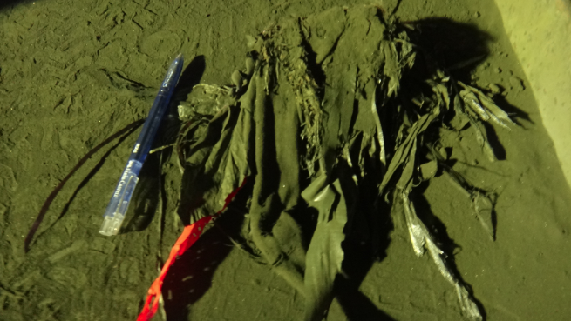 | Minimal foreign materials | - Check for plastics and Foreign materials clogging - Picture on clogging and on amount of foreign materials for documentation
4. Y-Chute status (South)
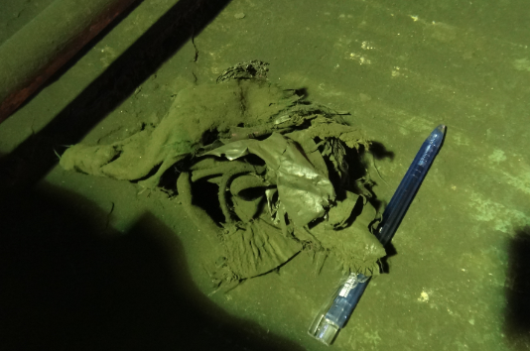 | Minimal foreign materials | - Check for plastics and Foreign materials clogging - Picture on clogging and on amount of foreign materials for documentation
5. Dispersing Cone fins
 | No abnormalities Observed | - Check for plastics and Foreign materials clogging - Identifiy which quadrant is clogging. - Check if there are wet/moist concentrate/feed sticking on the fins. - Picture on clogging and on amount of foreign materials for documentation.
6. Dispersing Cone Nozzle status
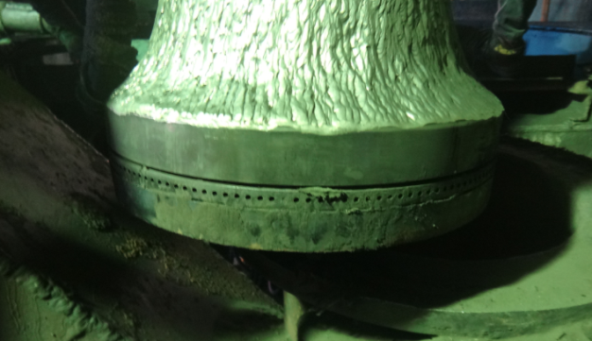 | Observed concentrate sticking on the north side of the nozzle (south side is clear). | - Check for plastics and Foreign materials clogging - Identifiy which quadrant is clogging. - Check if there are wet/moist concentrate/feed sticking on the nozzle. - Visual check on the nozzles to be conducted daily. Weekly (every Friday) declogging of nozzles and injecting atomizing air. - Measure gap on the nozzle to monitor change in clearance/distance. - Picture on clogging and on amount of foreign materials for documentation.
7. WindBox status
 | No logging observed | - Check for any deformations. - Check for any accretions. Do declogging and update is accretion was declogged. - Identifiy which quadrant is having accretion. - Picture on clogging and on amount of foreign materials for documentation.
Uptake Accretion Profile
Corner Jacket
Shell

